Average annual salary for women
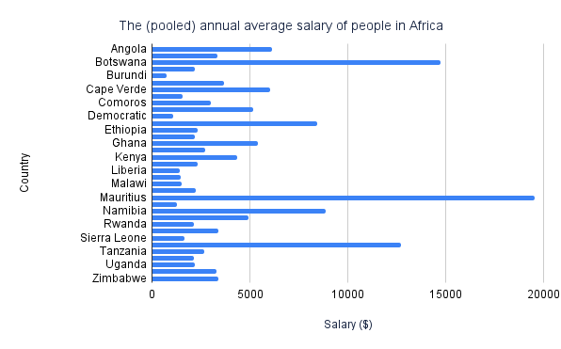
Country | Average annual salary ($) women | Average annual salary ($) men | Pooled annual average
Angola | 5126.819418 | 7114.769756 | 6120.794587
Benin | 2517.502226 | 4130.211445 | 3323.856836
Botswana | 12304.93528 | 17137.23437 | 14721.08483
Burkina Faso | 1564.816896 | 2746.776807 | 2155.796852
Burundi | 833.2473511 | 627.2470791 | 730.2472151
Cameroon | 2409.080345 | 4922.632964 | 3665.856655
Cape Verde | 5008.749185 | 7074.022856 | 6041.386021
Chad | 1073.630601 | 1965.761498 | 1519.69605
Comoros | 2164.643842 | 3798.973359 | 2981.808601
Côte d'Ivoire | 3592.54935 | 6745.630445 | 5169.089898
Democratic Republic of Congo | 840.1338025 | 1325.439634 | 1082.786718
Eswatini | 7383.772288 | 9457.531656 | 8420.651972
Ethiopia | 1713.194853 | 2879.687969 | 2296.441411
Gambia | 1768.254581 | 2551.871669 | 2160.063125
Ghana | 2458.505893 | 8351.235573 | 5404.870733
Guinea | 2468.402445 | 2885.64589 | 2677.024168
Kenya | 3929.749193 | 4755.068024 | 4342.408609
Lesotho | 1870.389709 | 2774.897284 | 2322.643497
Liberia | 1480.743112 | 1304.288503 | 1392.515808
Madagascar | 1327.562653 | 1600.640607 | 1464.10163
Malawi | 1164.288216 | 1862.854977 | 1513.571597
Mali | 1535.770085 | 2912.849049 | 2224.309567
Mauritius | 13257.61913 | 25815.11147 | 19536.3653
Mozambique | 1076.904505 | 1391.636276 | 1234.270391
Namibia | 7943.391151 | 9732.915695 | 8838.153423
Nigeria | 3320.997208 | 6469.272391 | 4895.1348
Rwanda | 1643.638 | 2569.440601 | 2106.539301
Senegal | 1809.041107 | 4904.678295 | 3356.859701
Sierra Leone | 1461.059129 | 1814.097868 | 1637.578499
South Africa | 10310.32777 | 15093.99796 | 12702.16287
Tanzania | 2253.160075 | 3017.728637 | 2635.444356
Togo | 1905.911111 | 2311.211435 | 2108.561273
Uganda | 1569.219329 | 2797.577566 | 2183.398448
Zambia | 2961.826841 | 3599.910141 | 3280.868491
Zimbabwe | 2902.138683 | 3847.399807 | 3374.769245

Testing H_0
Null hypothesis: The average annual salary of people in Africa is equal to that of people in India.
Alternative hypothesis: The average annual salary of people in Africa is higher than that of people in India.
 | Scenario 1 | Scenario 2 | Scenario 3 | Scenario 4
Specified mean (India population) | 5064.00
Sample mean (Africa) (x_bar) | 4274.89 | 3774.89 | 3814.237367
Hypothesised mean (𝛍_0) | 4669.44 | 4419.44 | 4439.12
Alternative mean (𝛍_A) | 15192.00 |  |  | 20256
Sample standard deviation | 4115.72
Sample size | 35 | 35 | 26
Degrees of freedom | 34 | 34 | 25
Level of significance | 0.05
Test statistic (t-score) | -1.13 | -1.85 | -1.55
Critical value | 1.69 | 1.69 | 1.708
Conclusion | Fail to reject H_0 | Reject H_0 | Fail to reject H_0 | Reject H_0
 | Correct decision | Type I error | Type II error | Correct decision

Scenario 1
Scenario 2

Scenario 3
Scenario 4

